Sheet1
ID | Testing | Source | Inputs | Expected | Passed | Justification / Notes
1 | Main page | Functionality |  | Loads | TRUE
2 | Sign Up button click | Functionality |  | Takes to sign up page Sign up page has back navigation arrow to return to home page | TRUE
3 | Login button click | Functionality |  | Takes to login page Login page has back navigation arrow to return to home page | TRUE
4 | Sign up name input validation | Functionality | F: jason F: ja son F: Ja$on F: JaSon F: Mary anne F: mary Anne F: Mary Anne F: mary-Anne F: Mary-anne P: Jason P: Mary-Anne | On fail: Red error message will display indicating name is invalid On pass: No error message (or error message for next incorrect field) | TRUE
5 | Sign up surname input validation | Functionality | F: smith F: sMith F: Smi^h F: Smi7h F: Smi The P: Smith P: McIrish P: Summer-Day P: McIrish-Summer | On fail: Red error message will display indicating surname is invalid On pass: No error message (or error message for next incorrect field) | TRUE | Assumes all previous inputs are valid
6 | Sign up email input validation | Functionality | F: howdy F: howdy@pizza F: how@gh@com F: howdy@pi.0 P: howdy@pizza.com P: H0w*y@pizza.com (Note: Entered in both email inputs) | On fail: Red error message will display indicating email is invalid On pass: No error message (or error message for next incorrect field) | TRUE | Assumes all previous inputs are valid
7 | Sign up email confirmation must be same | Functionality | First: howdy@pi.com Second: howdy@pi.co | Red error message warning that emails do not match When second is changed to match first, no error message (or error message for next incorrect field) | TRUE | Assumes all previous inputs are valid
8 | Sign up password input validation | Functionality | F: pass F: P: password P: 123456 (Note: Entered in both password inputs) F1: pass F2: passs | On fail: Red error message will display indicating password must be 5 characters. On lower fail, error message warns both passwords must be the same On pass: No error message (or error message for next incorrect field) | TRUE | Assumes all previous inputs are valid
9 | Sign up university input validation | Functionality |  | When none selected: Red error message saying to select a university When one selected: No error (or error message for next incorrect field) | TRUE | Assumes all previous inputs are valid
10 | Sign up T&C check | Functionality |  | When not selected, a red error message will show. Otherwise, form will submit | TRUE | Assumes all previous inputs are valid
11 | Sign up submission | Functionality | Name: Mary-Anne Surname: McIrish-Summer Email (both): howdy@pi.com Pass (both): 123456 University: UQ T&C Confirmed | Page will progess to home page. No back navigation button will be available. | TRUE
12 | Login Credentials verified | Functionality | E: P: E: hiya@there.co P: 123456 E: frank@gmail.com P: 222222 | Results in a pop-up message saying that the username or password is incorrect. | TRUE
13 | Login works | Functionality | E: jason@gmail.com P: 222222 | Log in and take the user to the home page. No back button should be available | TRUE
14 | Notify of invite to join a team and acceptance | Functionality | Connected to above | A pop-up with the invitees name and team subject will be shown. Clicking accept will close the pop-up. | TRUE | Will need to factory reset the emulator to run both test 14 and 15
15 | Notify of invite to join a team and decline | Functionality | Connected to above | A pop-up with the invitees name and team subject will be shown. Clicking decline will close the pop-up. | TRUE | Will need to factory reset the emulator to run both test 14 and 15
16 | Notify of team acceptance | Functionality | Login with frank@gmail.com 333333 After above is accepted | A pop-up with the accepting member's name and team will show. Will occur after test 14 is run. Will NOT occur after test 15 is run. Both of these scenarios were tested. | TRUE | Will need to factory reset the emulator to run both test 14 and 15
17 | Home page buttons | Functionality | Click on each of the three buttons on the home page | Button will take user to the find team, book meeting and availability pages respective to each button. All of these pages will have a back navigation button to return to the home page. | TRUE
18 | Find team subject code validation | Functionality | F: F: iab330 F: 111111 F: AAAAAA F: IB330 P: IAB330 | On fail: Red error message alerting user that subject code is invalid On pass: No error message (Or error message for next incorrect field) | TRUE
19 | Find team day validation | Functionality |  | When one is not selected, a red error message is shown. When one is selected, no error message is shown (or the error message for the next incorrect field is show) | TRUE | Assumes all previous inputs are valid
20 | Find team time validation | Functionality |  | When one is not selected, a red error message is shown. When one is selected the form submits correctly | TRUE | Assumes all previous inputs are valid
21 | Find team submit inputs | Functionality | Subject: CAB403 Day: Thursday Time: 11am Team Members: 2 | Form will submit with no errors and proceed to the next part of the find team process | TRUE | Note: This thread of testing was completed as Jason
22 | Find team members | Functionality | Based on above | One option will appear for Frank Martin as he was inputted to have this class on this day in the local database implementation. Clicking on that option will take you to the invite member form | TRUE | Note: This thread of testing was completed as Jason. If this was completed as Frank, Jason Smith would be the name to display
23 | Invite team member | Functionality | Based on above | Clicking the invite button will send an invitation to Frank to join a team. It will also make a 'done inviting' and 'uninvite' button appear. When Frank next logs in, an invitation to join CAB403 will appear. | TRUE | Note: This thread of testing was completed as Jason and then switches to Frank Also: There is no Bio or Skills present as profiles were not part of our first release expectations
24 | Uninvite team member | Functionality | Based on above | Clicking uninvite will remove the invitation. When Frank next logs in, no invitation to CAB403 will appear. | TRUE | Note: This thread of testing was completed as Jason and then switches to Frank
25 | Exit to home | Functionality | Based on above | Clicking on the 'finished inviting' button will return the user to the home screen. | TRUE
26 | Book meeting select team | Functionality |  | Clicking 'Book Meeting' will show two options, IAB330 and CAB403, all of the teams that Frank is involved in. Clicking on one of these options will take the user to the next part of the meeting booking. | TRUE | Note: This thread of testing was completed as Frank after test 23 was completed and Frank accepted the request
27 | Book meeting time parameters | Functionality | Duration: 2 hours Min Start Time: 1pm | Once changing the input and clicking submit, user will be taken to a screen that shows only availabilities that don't clash with the availabilities of either user for the entire two hours, and none of these times will start before 1pm. | TRUE | Note: This thread of testing was completed as Frank after test 23 was completed and Frank accepted the request
28 | Book meeting selecting a time | Functionality | Tuesday 4pm | Selecting the input will take to the meeting confirmation page | TRUE | Note: This thread of testing was completed as Frank after test 23 was completed and Frank accepted the request
29 | Book meeting confirming time | Functionality |  | Time displayed will be 4pm to 6pm as it is a two hour block starting at 4pm. Clicking confirm will take the user back to the home page. The availability for all users in the team will be 'busy' for Tuesday 4pm and 5pm. | TRUE | Note: This thread of testing was completed as Frank after test 23 was completed and Frank accepted the request
30 | Changing availability | Functionality | Saturday, 2am and 3am to busy | Once entering the inputs and clicking update, then closing and reopening availability, time will still be displayed as busy | TRUE
31 | Clearing availability | Functionality | Saturday | Clearing the availability for Saturday, then closing and reopening availability will still show no availabilities even where they were entered in test 30 | TRUE
32 | Changing availability to a class | Functionality | Friday, 2pm to class 'CAB303' | Once entering the inputs and clicking update, then closing and reopening availability, time will still be displayed as having a class | TRUE
33 | Changing availability to a class input validation | Functionality | Friday, 2pm Class: F: 111111 F: cab303 F: AAAAA F: | Message changes to a notification that input is invalid and will need to be corrected | TRUE
34 | Changing availability to a class cancel | Functionality | Friday, 2pm | Friday 2pm remains empty | TRUE
35 | Busy and Class Sliders | Functionality |  | Clicking the 'busy' option disables the 'class' option and vice versa. Deselecting will re-enable | TRUE
36 | User can enter their first and last name, email, a password and their university | Acceptance Criteria to User Story 1 |  | See test 11 | TRUE
37 | Email and password fields both have a second 'confirmation' field to ensure they are entered correctly | Acceptance Criteria to User Story 1 |  | See tests 7 and 8 | TRUE
38 | A terms and conditions/privacy policy confirmation is taken | Acceptance Criteria to User Story 1 |  | See test 10 | TRUE
39 | Once the details have been submitted, the user can log in with the provided email and password | Acceptance Criteria to User Story 1 |  | See test 11 | TRUE
40 | Details will not be submitted/ the account not created if the email or password does not match its confirmation field or if the T&C/PP has not been accepted | Acceptance Criteria to User Story 1 |  | See tests 4-11 | TRUE
41 | Student can see other students in their designated tutorial/prac/etc. time slot for their selected subject | Acceptance Criteria to User Story 2 |  | See test 22 | TRUE
42 | Students can use skill search terms to filter potential teammates | Acceptance Criteria to User Story 2 |  |  | FALSE | Profile user story was not implemented in release 1, which included users adding their skills
43 | Students can see the profile of their potential teammates | Acceptance Criteria to User Story 2 |  |  | FALSE | Profile user story was not implemented in release 1
44 | Students can send a request to these users to join their group | Acceptance Criteria to User Story 2 |  | See test 23 | TRUE
45 | Students can only send enough requests to fill one group, e.g. for a team fo 4 they can only send 3 requests | Acceptance Criteria to User Story 2 |  |  | FALSE | As there is no profile to view existing memberships/teams, there is no way to add new members in the case some decline. As such, this was excluded in the first release
46 | A student can accept or deny a request to join a group | Acceptance Criteria to User Story 3 |  | See tests 14 and 15 | TRUE
47 | A student will get a notification in the app if they have received a request | Acceptance Criteria to User Story 3 |  | See tests 14 and 15 | TRUE
48 | If the student accepts, they will be placed into a group with the requester. | Acceptance Criteria to User Story 3 |  | Demonstrated success in test 26 | TRUE
49 | If the student rejects, the requester will now be able to invite another person to join their group | Acceptance Criteria to User Story 3 |  |  | FALSE | Profile user story was not implemented in release 1- this is where user would be able to see and modify existing teams
50 | The requester will get a notification once the student responds to the request | Acceptance Criteria to User Story 3 |  | See test 26 | TRUE
51 | Students can enter what times they are unavailable for meetings | Acceptance Criteria to User Story 7 |  | See tests 30 and 32 | TRUE
52 | Students can enter when they have university classes for particular subjects | Acceptance Criteria to User Story 7 |  | See test 32 | TRUE
53 | Students can upload a .ics file from their Blackboard calendar | Acceptance Criteria to User Story 7 |  |  | FALSE | This was always listed as an advanced feature
54 | Students can clear existing availabilities | Acceptance Criteria to User Story 7 |  | See test 31 | TRUE
55 | Students can update existing availabilities | Acceptance Criteria to User Story 7 |  | See test 35 | TRUE
56 | A student from a team can select the possible days and boundary times for a meeting, and the length of time the meeting will be | Acceptance Criteria to User Story 8 |  | See test 27 | TRUE
57 | Options for times within the given bounds that all members of the group are available are presented | Acceptance Criteria to User Story 8 |  | See test 27 | TRUE
58 | One of these options can be selected to set that as a meeting time for the group | Acceptance Criteria to User Story 8 |  | See tests 28 and 29 | TRUE
59 | A location can be set for the meeting | Acceptance Criteria to User Story 8 | 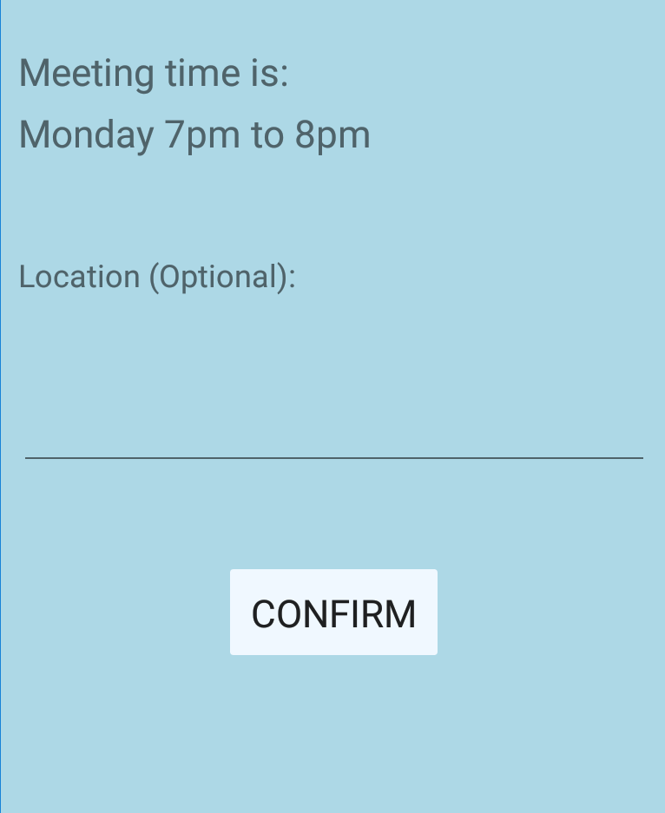 | See the image to the left includes a location input | TRUE | As there is no profile view to see existing teams and meetings, there is no way to access the location variable in manual testing but it is stored in the local database

